TL-2000 STING S4
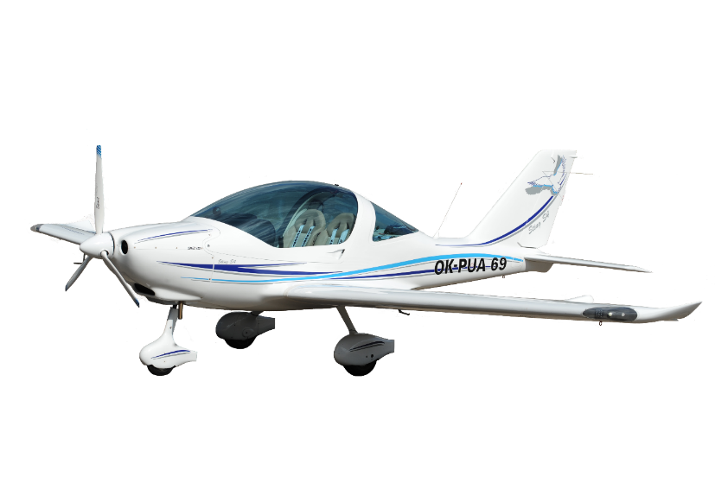
Sting S4 2020

 | Customer/Dealer:

 | TL PUBLIC PRICE LIST
 | STANDARD FEATURES |  | RETAIL PRICE ex VAT

 | AIRFRAME & POWERPLANT |  | € 100,400
 | • Carbon fibre composite airframe with fixed landing gear • White painted•
 | • Rotax 912UL 80hp engine • 4 Cylinders • Liquid/air cooled • Integrated reduction gear • Key ignition system • Throttle control• Slipper clutch• Tubular steel engine mount • 6 rubber engine mounts • Carburettor brackets • Carburettor drip pans • Air and oil filters • Oil and water coolers • Oil thermostat • Fireproof sleeves on the fuel lines • 3-blade on-ground adjustable DUC SWIRL 3 propeller • Carbon fiber blades with metal leading edge protection • Propeller blade sleeves • Carbon fiber white propeller spinner •
 | STANDARD AVIONICS
 | • Magnetic compass • Airspeed indicator • Altimeter • Vertical speed indicator • Slip/skid indicator • Pitot-static system •
 | • Engine RPM • Fuel and oil pressure gauges • Oil temperature gauge • CHT gauge • Hobbs hour meter • Low voltage warning LED •
 | FLIGHT CONTROLS
 | • Pilot side differential toe brake system • Inflight adjustable pedals for pilot and co-pilot • Dual flight controls and elevator trim • Engine controls - central quadrant with single throttle level, choke etc • Elevator trim control- with indicator • Electric flaps - with indicator •
 | ELECTRIC SYSTEM
 | • 12volt 8amp battery • Switches • 2x 12volt sockets •
 | FUEL SYSTEM
 | • 77 litre capacity fuel tank located in the fuselage • Engine driven fuel pump • Fuel sampling quick drain • Visual fuel gauge • Fuel selector • Gasculator
 | INTERIOR & SAFETY FEATURES
 | • Comfortable sport seats with 4-point safety harnesses for the pilot and co-pilot • Wall to wall carpeting • Canopy locking system • Front anti fog ventilation • Side turning vents and ventilation tunnels • Large luggage compartment with cargo net • Full airframe recovery system •
 | EXTERIOR
 | • Panoramic blue or tinted canopy with three locking points • Steerable nose wheel • Aerodynamic carbon fiber wheel covers • Tie down rings on both wings and at fuselage rear • Tow bar for manoeuvering on the ground •
 | TL SUPPORT
 | • 2 years or 100 flying hours manufacturers warranty within the EU • 1 year and 100 flying hours outside the EU • Documents supplied with aircraft - Printed POH • Electronic AMM and illustrated spare parts catalogue •
 | Note: Some standard gauges listed above may be removed when fitting upgraded G3x accessories • Only backup gauges are ASI, ATL, Vario 80mm and fuel pressure and the cost is already reduced from the of updraded G3x accessories

 | Please select from the following options:
 | Fuel tank size
 | Pilot's position
 | Panel board options
 | Aircraft seats standard
 | Aircraft seats leather
 | Units of measurement ALT ASI
 | Compass
 | Canopy option
 | Aircraft design:
 | http://www.tl-ultralight.cz/konfigurator/en/sting-s4/sting-s4.html
 | Insert pattern number 1-6 ____ Colour A _____ Colour B _____
 | Following upgrades & options include installation and accessories
↓ | Insert a ' X ' next to the options that you wish to add to your order
 | POWERPLANT UPGRADES
 | Upgrade to ROTAX 912 ULS (100 HP) | € 5,837
 | Upgrade to ROTAX 912 iS (100 HP) injection | € 8,918
 | Upgrade to ROTAX 914 UL Turbo (115 HP) | € 17,763
 | AUX Fuel pump with LED warning | € 271
 | Dual electric pump for 912iS | € 982
 | Cooling kit for 912iS | € 1,632
 | Carburettor heating | € 726
 | Stainless steel firewall & fireproof hose protection | € 520
 | PROPELLER UPGRADES
 | GROUND ADJUSTABLE
 | upgrade to 3-Blade carbon propeller DUC - FLASH | € 779
 | FLIGHT ADJUSTABLE
 | upgrade to 3-Blade carbon PowerMax propeller with automat ELECTRIC | € 5,561
 | upgrade to 3-Blade carbon PowerMax propeller with automat HYDRAULIC | € 7,933
 | AVIONICS
 | ENGINE ANALOGUE
 | Exhaust gas temperature gauge | € 432
 | Manifold pressure gauge | € 271
 | Voltmeter | € 297
 | FLIGHT ELECTRIC
 | Electric horizont IFD | € 1,929
 | GARMIN G5 horizont | € 2,347
 | RADIO (Cons antenna inlcuded)
 | GARMIN GTR 200 Comm radio (25kH) | € 2,095
 | GARMIN GTR 225A Comm radio (8.33 frequency) | € 3,929
 | GARMIN GNC 255 Nav/Comm radio | € 6,164
 | Nav/Comm antenna VOR | € 623
 | TRIG TY96 radio (8.33 frequency) flat gauge | € 3,225
 | TRIG TY91 radio (8.33 frequency) round 57mm | € 2,492
 | ICOM IC A 210 (8.33 frequency) flat gauge | € 2,190
 | Funke ATR833-OLED radio (8.33 frequency, EASA from one) round 57mm | € 2,566
 | GMA 245R Audio panel | € 2,394
 | 2 Headsets BOSE A20, bluetooth | € 4,017
 | 2 LEMO connector | € 357
 | 2 Adapter for BOSE | € 357
 | 2 Headsets FLIGHTCOM | € 713
 | Ray Allen control stick with radio, autopilot and intercom control | € 335
 | Ray Allen control stick (blank) | € 123
 | TRANSPONDER & TRAFFIC
 | TRIG TT21 transponder (mode S) round 57mm | € 3,231
 | TRIG TT31 transponder (mode S) flat gauge | € 3,801
 | TRIG TN70 (ADS-B) | € 3,801
 | Funke TRT800 OLED transponder (mode S, EASA from one) round 57mm | € 3,770
 | GARMIN GDL 50 R integrated (G3x and GTX 35R must be installed) | € 1,765
 | ELT Kannad Integra (wt gps and internal antenna) | € 1,744
 | GARMIN G3x GLASS COCKPIT
 | Upgrade GARMIN G3x Touch Dual Display (size 10.6´´) | € 17,872
 | Upgrade GARMIN G3x Touch Single Display (size 10.6´´) | € 12,964
 | GARMIN Radio GTR 20 (integrated with intercom) - 25kH | € 1,941
 | GARMIN Transponder GTX 23 (mod S only) | € 3,430
 | GARMIN Transponder GTX 35R (ADSB OUT) | € 4,230
 | GARMIN Transponder GTX 45R (ADSB IN+OUT) | € 6,448
 | GARMIN GPS 20A with WAAS antenna (GPS source for GTX 35) | € 1,854
 | GARMIN AOA pitot tube unheated | € 304
 | GARMIN AOA pitot tube heated | € 473
 | Extra battery 6ah | € 690
 | Analogue backup gauges ALT, ASI | € 1,650
 | AUTOPILOT, two servos
 | TRUTRAK Autopilot | € 5,698
 | GARMIN G3x control panel GMC 305 | € 5,698
 | GARMIN G3x control panel GMC 507 | € 6,129
 | INTERIOR OPTIONS
 | 2 sliding windows | € 1,129
 | Cabin heat | € 1,577
 | Leather seats and upholstery | € 5,267
 | 2 level seat heating | € 1,209
 | Sun protection curtain | € 185
 | Canopy cloth cover | € 279
 | Parking brake | € 148
 | EXTERIOR OPTIONS
 | LIGHTS
 | Wingtip Lighting LED | € 2,506
 | Panel board Lighting LED | € 226
 | WING TANKS
 | Long range wing tanks (extra capacity 40l) | € 2,326
 | VINYL DESIGN
 | Exterior Vinyl design | € 1,584
 | Luxury exterior Vinyl design | € 4,738
 | UNDERCARRIAGE
 | Co-pilot side differential toe brake system | € 597
 | RG retractable undercarriage (smaller fuel tank capacity 67 liters, RG wheels 12-4) | € 6,217
 | AERO TOWING
 | Aero towing equipment | € 4,281
 | Aero towing or RG safety camera for G3x | € 1,055
 | EXPORT
 | Loading charge | € 725
 | Czech registration | € 1,855
 | Non-registration certificate, Export documents | € 204
 |  | TOTAL COST ex VAT | € 100,400

I understand that any changes to the order can only be accepted with the approval of the manufacturer.
I have read, accepted and signed this as binding order (signature of customer):

Signature:………………………………………………………… |  | Date:………...…………...…..…………

For and on behalf of TL-Ultralight (signature of dealer):

Signature:………………………………………………………… |  | Date:

 | TL-ULTRALIGHT s.r.o.
 | Airport 515, Pouchov
 | 503 41 Hradec Kralove
 | Czech Republic

